Assumption Sheet
As per Management Guidance |  |  |  |  |  |  |  |  |  |  |  | FY2025
 |  |  |  |  |  |  |  |  |  |  | Q1
FY2025 | Q1 | Q2 |  | Q3 | Q4 | Forecast for FY2026 |  |  |  |  | Key Driver | Assumption / Analysis (One Line)
Volume % growth | 7% | -1% |  | 1.60% | 2.10% | ~7% |  |  |  |  | Revenue Growth | Expected to improve gradually, supported by rural recovery, festive demand, and stronger institutional activity. | Rank | Initiative | Major Competitors Without Comparable Offering
Value growth% | -3% | -7% |  | -7.80% | -4.10% | ~3% |  |  |  |  | Volume Growth | Expected to remain strong (9–11%) driven by wider distribution, rural demand, and festive season. | 1 | Beautiful Homes Painting Services (600+ cities) | Birla Opus, Berger Paints, Kansai Nerolac, Indigo Paints, Akzo Nobel India
Distribution Network | 1.65 Lakhs | 1,67 lakhs |  | 1,69 Lakhs | 1,69 Lakhs |  |  |  |  |  | Value Growth | Expected to recover gradually as price hikes and an improved product mix offset the impact of earlier price cuts. | 2 | Beautiful Homes Stores (74 stores, 53 cities) | Birla Opus, Berger Paints, Kansai Nerolac, Indigo Paints, Akzo Nobel India
Capacity Expansion | +300000 KL | 0 |  | 0 | 0 |  |  |  |  |  | Pricing | Moderate price increases are expected to offset raw material inflation and support profitability. | 3 | Nilaya Anthology (Luxury Design Destination) | Birla Opus, Berger Paints, Kansai Nerolac, Indigo Paints, Akzo Nobel India
Home Décor | 61 | 62 |  | 64 | 72 |  |  |  |  |  | Product Mix | Expected to improve with a higher contribution from premium products, leading to better realizations. | 4 | Chromacosm (5,300+ shade colour system) | Birla Opus, Indigo Paints
EBITDA Amrgin | ~19% | ~19% |  | ~19% | ~19% | ~19% |  |  |  |  | Rural Demand | Expected to strengthen due to improved monsoon, better farm income, and recovery in Tier III & IV markets. | 5 | AI Colour Visualizer & Digital Colour Consultancy (1,000+ consultation locations) | Berger Paints, Birla Opus, Indigo Paints, Kansai Nerolac
 |  |  |  |  |  |  |  |  |  |  | Premiumization | Premium portfolio is expected to gain traction, supporting higher margins and revenue quality. | 6 | Innovation Platform (300+ launches, 130+ patents, 14% revenue from innovation) | Indigo Paints, Birla Opus
 |  |  |  |  |  |  |  |  |  |  | Distribution Network | Continued expansion of retail touchpoints is expected to drive market penetration and long-term volume growth. | 7 | Backward Integration (White Cement + VAM-VAE projects) | Berger Paints, Indigo Paints, Akzo Nobel India
FY2026 | Q1 | Q2 |  | Q3 | Q4 | Forecast for FY2027 |  |  |  |  | Capacity Utilization | Existing manufacturing capacity is sufficient to support future growth without major capacity constraints.
Volume % growth | 4.20% | 10.90% |  | 7.90% | 12.40% | ~9% |  |  |  |  | Home Décor Business | Expected to grow faster than the core paint business through store expansion and cross-selling opportunities.
Value growth% | -0.2 | 6.70% |  | 2.80% | 10.20% | ~5% |  |  |  |  | Industrial Business | Expected to deliver steady growth supported by strong automotive and industrial coatings demand. | Rank | Initiative | Berger Paints | Kansai Nerolac | Birla Opus | Indigo Paints | Akzo Nobel (Dulux) | Competitive Position
Distribution Network | 1,70 lakhs | 1,70 lakhs |  | 1,70 lakhs | 1,70 lakhs | 1,70 lakhs |  |  |  |  | International Business | Growth is expected to remain moderate due to macroeconomic weakness and currency headwinds in key markets. | 1 | Beautiful Homes Painting Services (600+ cities) | Similar offering but much smaller | Similar offering but much smaller | Early stage / Limited | Similar offering but much smaller | Similar offering but much smaller | Asian Paints is the clear market leader by scale and integration
Capacity Expansion | 100 | 0 |  |  |  | 700 |  |  |  |  | Gross Margin | Expected to remain stable at healthy levels, supported by pricing actions and sourcing efficiencies despite inflation. | 2 | Beautiful Homes Stores (74 stores across 53 cities) | No comparable offering | No comparable offering | No comparable offering | No comparable offering | No comparable offering | Unique competitive moat | 4% of Total Revenue
home Décor | 72 | 73 |  | 74 | 74 |  |  |  |  |  | Operating Expenses | Operating expenses are expected to remain elevated in the near term due to investments in people and distribution. | 3 | Nilaya Anthology (Luxury Design Destination) | No comparable offering | No comparable offering | No comparable offering | No comparable offering | No comparable offering | Unique competitive moat
Forecasted EBITDA margin for next Quarter | ~19% | ~19% |  | ~19% | ~19% | ~19% |  |  |  |  | EBITDA Margin | Expected to remain within management's target range of 18–20% as operating leverage improves. | 4 | Chromacosm (5,300+ shade colour system) | Similar colour system, but smaller | Similar colour system, but smaller | Similar colour system, but smaller | Similar colour system, but smaller | Similar colour system, but smaller | Industry-leading scale and colour database
 | As per CEO: single digit growth rate for both value and volume in near term |  |  |  |  |  |  |  |  |  | Working Capital | Working capital efficiency is expected to remain strong, supported by disciplined inventory and dealer management. | 5 | AI Colour Visualizer & Digital Colour Consultancy (1,000+ consultation locations) | Similar tool but smaller ecosystem | Similar tool but smaller ecosystem | Similar tool but smaller ecosystem | Similar tool but smaller ecosystem | Similar tool but smaller ecosystem | Largest digital consultation ecosystem in India
 | we would anticipate that the gap between the volume and the value would remain in that zone of about 4-5%. |  |  |  |  |  |  |  |  |  | Capital Expenditure | Capex is expected to normalize, with investments focused on maintenance and Home Décor expansion rather than new manufacturing capacity. | 6 | Innovation Platform (300+ launches, 130+ patents, 14–17% revenue from innovation) | Strong R&D but lower commercialisation | Strong R&D but lower commercialisation | Early-stage innovation platform | Smaller innovation pipeline | Strong R&D but lower commercialisation | Industry leader in innovation commercialisation
 | FY2025 |  |  |  |  | FY2026 |  |  |  |  |  |  | 7 | Backward Integration (White Cement + VAM + VAE projects) | No comparable backward integration | No comparable backward integration | No comparable backward integration | No comparable backward integration | No comparable backward integration | Unique cost-efficiency and supply-chain advantage
Metric | Q1 FY25 | Q2 FY25 |  | Q3 FY25 | Q4 FY25 | Q1 FY26 | Q2 FY26 | Q3 FY26 | Q4 FY26
Gross Margin |  |  |  |  |  |  |  |  |  |  | Q2
Product Mix | Economy | Economy |  | Economy | Economy + Premium | Economy + Premium | Economy + Premium | Economy + PreLux | Economy + PreLux |  | Key Driver | Q2 FY25 Assumption / Analysis (One Line)
Pricing Approach | Price Cut | Price Cut |  | Price Cut | Price Cut | Stable | Stable | Stable | Price Hike |  | Revenue Growth | Revenue growth is expected to recover gradually as demand improves with better rural sentiment, government spending and wedding season, although near-term recovery remains cautious.
Innovation % of revenue | 12% | 12% |  | 12% | 12% | 14% | 15% | 16% | 17% |  | Volume Growth | Management now expects single-digit volume growth for FY25, reflecting weaker consumer demand and extended monsoon disruptions.
Inflation/ Deflation | Deflation | Deflation |  | Deflation | Deflation | Deflation | Deflation | Deflation | Deflation |  | Value Growth | Value growth is expected to remain under pressure in the near term due to earlier price reductions, adverse product mix and higher competitive discounting, with gradual improvement from Q3 onwards.
The VAM-VAE project will bring to us very strong innovation capabilities in the market and really change the fabric of the market from the area of looking at green paints in a strong manner. That's something which we feel is a very strong catalyst for us going forward |  |  |  |  |  |  |  |  |  |  | Pricing | The 1.2% price hike taken in Q2 is expected to fully flow through from Q3, supporting realizations and partially offsetting raw material inflation.
 |  |  |  |  |  |  |  |  |  |  | Product Mix | Product mix is expected to improve gradually as premium products recover and demand normalizes, supporting realizations and margins.
 |  |  |  |  |  |  |  |  |  |  | Rural Demand | Rural markets continue to outperform urban markets and are expected to strengthen further following a good monsoon and higher government spending.
 |  |  |  |  |  |  |  |  |  |  | Urban Demand | Urban demand is expected to remain weak in the near term due to subdued consumer sentiment and slower discretionary spending.
 |  |  |  |  |  |  |  |  |  |  | Premiumization | Premium portfolio expansion through product innovation and upgraded offerings is expected to improve realizations over the medium term.
 |  |  |  |  |  |  |  |  |  |  | Distribution Network | Continued expansion beyond 1.67 lakh retail touchpoints is expected to support long-term market penetration and volume growth.
Indian real Estate |  |  | Indian GDP growth forecast |  |  |  |  |  |  |  | Services Business | Beautiful Homes Painting Services and Trusted Contractor Services continue to gain traction, strengthening customer engagement and recurring business.
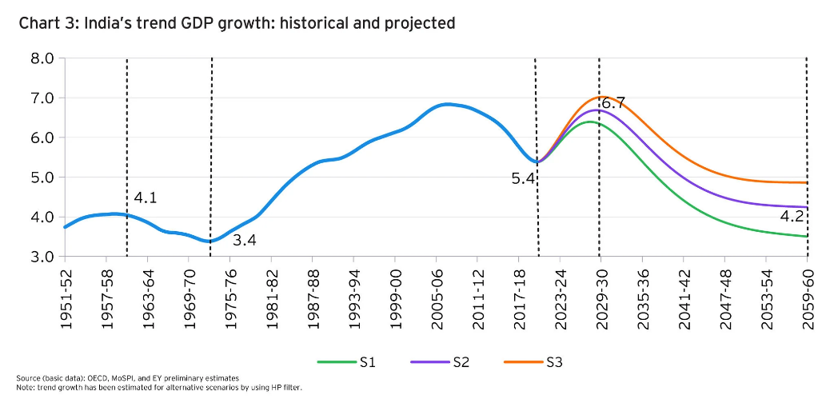
 |  |  |  |  |  | Indian real estate |  |  |  |  | Institutional Business | Projects and institutional business is expected to improve gradually as construction activity and government projects recover.
 |  |  |  |  |  |  |  |  |  |  | Innovation | Continuous product innovation and new product launches are expected to support premiumization and differentiation, with new products contributing around 12% of revenue.
 |  |  |  |  |  |  |  |  |  |  | Capacity Expansion | Brownfield capacity expansion is largely complete, while backward integration projects remain on track, reducing future supply constraints.
 |  |  |  |  |  |  |  |  |  |  | Home Décor Business | Home Décor is expected to continue outperforming the core paint business over the long term despite temporary demand softness.
 |  |  |  |  |  |  |  |  |  |  | Industrial Business | Industrial coatings are expected to remain a key growth driver, supported by healthy automotive OEM, refinish and protective coatings demand.
 |  |  |  |  |  | Source: mordor intelligence |  |  |  |  | International Business | International business is expected to recover gradually as Bangladesh stabilizes and Nepal improves, although currency volatility remains a key risk.
 |  |  |  |  |  |  |  |  |  |  | Raw Material Costs | Raw material inflation is expected to soften, although volatility in crude oil prices remains an important risk to margins.
Source:IMARC |  |  |  |  |  |  |  |  |  |  | Gross Margin | Gross margins are expected to recover gradually from Q3, supported by price hikes, easing input costs and improving product mix.
 |  |  |  |  |  |  |  |  |  |  | Operating Expenses | Employee and sales expenses are expected to normalize as revenue growth improves, resulting in better operating leverage.
 |  |  |  |  |  |  |  |  |  |  | EBITDA Margin | EBITDA margins are expected to recover toward management's 18–20% guidance as pricing benefits and operating leverage improve.
 |  |  |  |  |  |  |  |  |  |  | Working Capital | Working capital discipline is expected to remain strong, with management maintaining optimal dealer inventory and protecting dealer ROI.
 |  |  |  |  |  |  |  |  |  |  | Capital Expenditure | Future capex is expected to focus on backward integration, Home Décor expansion and maintenance rather than major paint capacity additions.
 |  |  | Source: EY |  |  |  |  |  |  |  | Competitive Intensity | Competitive intensity is expected to remain elevated in the near term, particularly in economy paints, waterproofing and putty, resulting in continued pricing pressure.
 |  |  | Growth rate from 2027 to 2030 | 6.5% to 6.7% |  |  |  |  |  |  | Outlook | Management remains cautiously optimistic, expecting demand to improve in H2 supported by rural recovery, weddings, infrastructure spending and easing raw material costs.

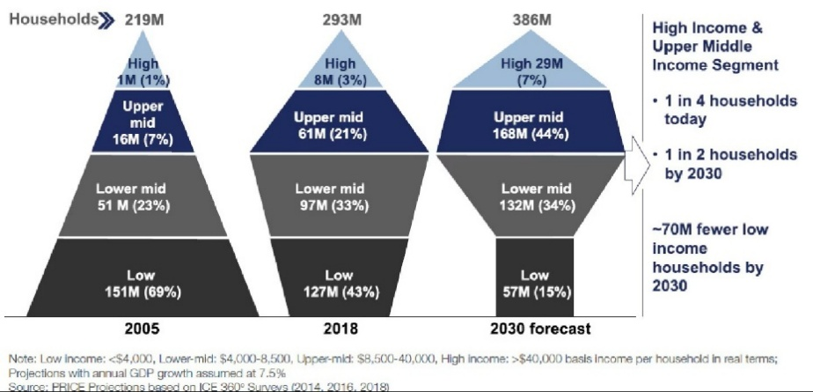
Number of Households |  |  |  |  |  |  |  |  |  |  | Q3
 |  |  |  |  |  | Industrial growth |  |  |  |  | Key Driver | One-Line Analysis / Assumption
 |  |  |  |  |  | India's industrial and manufacturing sector is forecast to grow at a compound annual growth rate (CAGR) of around 4.8% to reach an industrial market size of over USD 520 billion by 2030. |  |  |  |  | Revenue Growth | Revenue growth is expected to recover gradually, supported by improving rural demand, B2B recovery and industrial growth despite continued urban weakness.
 |  |  | Lower middle---> 2.6% CAGR over 12 yrs |  |  |  |  |  |  |  | Decorative Paint Demand | Decorative demand remained weak due to muted consumer sentiment, weak festive spending and slower urban consumption.
 |  |  | Upper Middle---> +8.81% CAGR |  |  | Source: yahoo Finance |  |  |  |  | Volume Growth | Volume growth remained positive at 1.6%, indicating resilient underlying demand despite a challenging market environment.
 |  |  | High income---> +11.33% CAGR |  |  |  |  |  |  |  | Value Growth | Value declined due to downtrading and lower realizations as consumers shifted toward economy products.
 |  |  | <------As per WEF |  |  | Inflation Forecast |  |  |  |  | Pricing | Previous price hikes supported realizations, while future pricing will depend on raw material costs and market conditions.
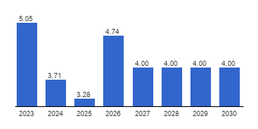
 |  |  |  |  |  |  |  |  |  |  | Downtrading / Product Mix | Consumer preference shifted towards lower-priced products, adversely impacting value growth and profitability.
 |  |  |  |  |  |  |  |  |  |  | Rural Demand | Rural demand remained relatively resilient and is expected to benefit from good monsoons and higher government spending.
 |  |  |  |  |  |  |  |  |  |  | Urban Demand | Urban demand continues to remain under pressure due to weak discretionary consumption.
Source: World Economic Forum |  |  |  |  |  |  |  |  |  |  | Distribution Expansion | Continued expansion to around 1.69 lakh retail touchpoints strengthens long-term market reach and penetration.
 |  |  |  |  |  |  |  |  |  |  | Painting Services | Beautiful Homes Painting Services continued to gain strong customer acceptance, supporting premium service revenues.
 |  |  |  |  |  |  |  |  |  |  | Institutional / Projects Business | Institutional demand improved on the back of stronger factory, builder and government project activity.
Automotive growth |  |  |  |  |  |  |  |  |  |  | Innovation | New product launches contributed over 12% of revenue, reinforcing premiumization and product differentiation.
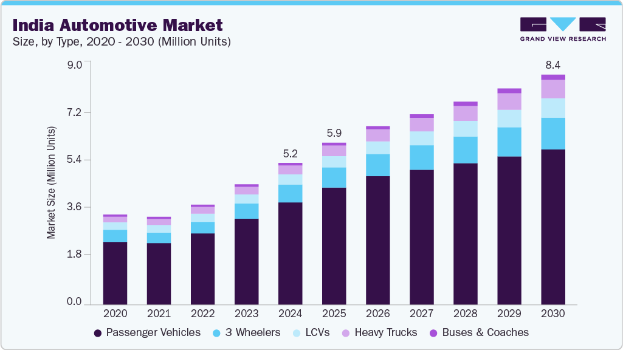
 |  |  |  |  |  | Source: The Global Economy |  |  |  |  | Premiumization | The company continues investing in premium and luxury products to improve long-term realizations and margins.
 |  |  |  |  |  |  |  |  |  |  | Home Décor | Home Décor continues expanding strategically despite slower growth caused by weak urban demand.
 |  |  |  |  |  |  |  |  |  |  | Industrial Business | Industrial coatings outperformed decorative paints, driven by auto, refinish and protective coatings.
 |  |  |  |  |  |  |  |  |  |  | International Business | International business delivered strong constant currency growth, led by Asia and the Middle East despite African currency headwinds.
 |  |  |  |  |  |  |  |  |  |  | Capacity / Backward Integration | Backward integration projects remain on track and are expected to enhance long-term cost efficiency.
 |  |  |  |  |  |  |  |  |  |  | Raw Material Costs | Sequential margin improvement was supported by material price deflation and sourcing efficiencies.
 |  |  |  |  |  |  |  |  |  |  | Gross Margin | Gross margins improved sequentially but remained below last year's level due to weaker product mix.
 |  |  |  |  |  |  |  |  |  |  | Operating Expenses | Operating deleverage from weak revenue growth continued to pressure profitability.
 |  |  |  |  |  |  |  |  |  |  | EBITDA / PBDIT Margin | Management reiterated its medium-term PBDIT margin guidance of 18–20% despite the challenging demand environment.
Source: grand view research |  |  |  |  |  |  |  |  |  |  | Working Capital | Efficient inventory management and an expanding distribution network are expected to support healthy working capital.
CAGR | 4% |  |  |  |  |  |  |  |  |  | Capital Expenditure | Capital expenditure remains focused on backward integration and strengthening long-term manufacturing capabilities.
 |  |  |  |  |  |  |  |  |  |  | Competitive Intensity | The industry remains competitive, but management continues prioritizing brand strength and profitability over aggressive price-led growth.
 |  |  |  |  |  |  |  |  |  |  | Management Outlook | Management remains cautiously optimistic, expecting gradual recovery over the next two quarters supported by rural demand, industrial growth and government spending.

 |  |  |  |  |  |  |  |  |  |  | Reason for ubran slow Consumption (FY2025) | . Bulk of this slowdown was on account of weak urban consumption on the back of tepid wage growth and consistent inflation impacting their disposable incomes. Rural consumption, on the other hand, exhibited pick-up with support from above-normal overall monsoon and higher agriculture output and prices. Like in other major economies, domestic headline inflation softened falling from 5.4% in the previous financial year to a six-year low of 4.6% in FY 2024-25. Tighter monetary policy, particularly restrictions on credit flows to non-productive sectors, also weighed on leveraged consumption. However, with inflation easing and fiscal support increasing, the consumption outlook is expected to improve in the near term.
White Cement Plant
1. Wall putty | Operatinal in FY2026 | 30 to 80 BPS in gross Margin |  | benefit in FY2027-28 |  |  |  |  |  |  | Perception of Management for Future growth of Customer Segment (FY2025) | Amidst this uncertain global backdrop of higher trade protectionism and trade conflicts, the focus will be on India’s domestic consumption driven growth story. Rural consumption is expected to remain healthy with tailwinds from favourable monsoon, farm and non-farm wage growth and continued focus from Central and State governments on rural-focused welfare spends. Slowing trend in urban consumption is also expected to wane after almost two years and the budgetary support in terms of lower personal income taxes for the lower-income and middle-income households is expected to provide a boost to consumption. Tighter fiscal and loosening monetary policy is further expected to support fall in interest rates in the domestic economy and with rebound in public capex cycle by the Government, its trickle-down effect in terms of rural and urban wages will support consumption trends in the near term.
2. texture Finsihes
3. Waterproofing |  |  |  |  |  |  |  |  |  |  | Q4 Initiative | One-Line Equity Research Summary
4. Premium Decorative Products |  |  |  |  |  |  |  |  |  |  | Demand Environment | Demand remained weak, with urban markets continuing to lag while rural markets showed relatively better resilience.
 |  |  |  |  |  |  |  |  |  |  | Distribution Expansion | Continued expansion to 1.69 lakh retail touchpoints reinforces long-term market penetration and competitive advantage.
VAM - VAE project |  |  |  |  |  |  |  |  |  |  | Painting Services | Beautiful Homes Painting Services continues to strengthen customer engagement and generate recurring business opportunities.
1. Emulsion | operational in FY2027 | 80 to 150 BPS in GM |  | benefit in FY2028-29 |  |  |  |  |  |  | B2B / Institutional Business | Institutional and government projects emerged as an important growth engine amid weak retail demand.
2. Adhesives |  |  |  |  |  |  |  |  |  |  | Innovation | Innovation remains a key differentiator, with new products contributing approximately 14% of Q4 revenue.
3. Pain Binders |  |  |  |  |  |  |  |  |  |  | Backward Integration | Investments in White Cement and VAM-VAE are expected to enhance long-term cost competitiveness and product differentiation.
 |  |  |  |  |  |  |  |  |  |  | Premiumization | Premiumization efforts continue through advanced formulations, regional packaging and warranty-led branding.
 |  |  |  |  |  |  |  |  |  |  | Value Segment Strategy | The company strengthened its economy portfolio through Ace and Tractor campaigns to capture value-conscious consumers.
Product Category | % of T revenue |  |  |  |  |  |  |  |  |  | Brand Building | The 'Har Ghar Kuch Kehta Hai' campaign reinforces Asian Paints' leadership by emphasizing trust, durability and emotional brand connect.
Interior Emulsions | 35–40% | Capex will help |  |  | Crude Oil |  |  |  |  |  | Home Décor Expansion | Management continues investing in Home Décor despite near-term weakness, reflecting confidence in the long-term opportunity.
Exterior Emulsions | 18–22% | Capex will help |  |  | FY2025 |  |  |  |  |  | Nilaya Luxury Strategy | Nilaya Anthology positions Asian Paints in the luxury home décor segment, expanding beyond traditional paints.
International Business | 10–11% |  |  |  | Q1 | $84.00 |  |  |  |  | Industrial Business | Industrial coatings continued outperforming decorative paints, providing stability to consolidated earnings.
Industrial Coatings | 9–10% |  |  |  | Q2 | $80.00 |  |  |  |  | International Business | International growth remained mixed, with strong Middle East and Asia performance offset by African currency headwinds.
Waterproofing | 8–10% | Capex will help |  |  | Q3 | $73.00 |  |  |  |  | Margin Management | Gross margin improved through raw material deflation and operational efficiencies despite continued pricing pressure.
Enamels & Wood Finishes | 8–10% |  |  |  | Q4 | $75.00 |  |  |  |  | Competitive Strategy | Management remains focused on defending market leadership through brand, distribution, innovation and cost leadership rather than aggressive discounting.
Construction Chemicals & Putty | 6–8% | Capex will help |  |  |  |  |  |  |  |  | FY26 Outlook | Management expects a gradual demand recovery supported by infrastructure spending, rural demand and a normal monsoon while remaining cautiously optimistic.
Home Décor | 3–4%
Adhesives & Sealants | 2–4% | Capex will help
 |  |  |  |  |  |  |  |  |  |  | FY2025
 |  |  |  |  |  |  |  |  |  |  | Theme | One-Line Summary
 | FY2025 |  |  |  |  | FY2026 |  |  |  |  | 1. FY25 – Cyclical vs Structural | FY25 appears to be a cyclical demand slowdown rather than a structural deterioration in Asian Paints' competitive position.
Categories (Sales) | Q1 | Q2 |  | Q3 | Q4 | Q1 | Q2 | Q3 | Q4 |  | 2. Continued Investments | Management prioritized long-term investments over short-term earnings, reflecting confidence in future industry recovery.
Decorative | 6129.00 | 6213 |  | 6578 | 6485 | 7084 | 6557 | 6695 | 7118 |  | 3. Strategic Transformation | Asian Paints is evolving from a paint manufacturer into a comprehensive home décor and home improvement solutions company.
growth | -2% |  |  |  |  | 15.58% | 5.54% | 1.78% | 9.76% |  | 4. Distribution Moat | Continuous expansion of its retail network reinforces Asian Paints' strongest competitive advantage and market leadership.
Home Décor |  |  |  |  |  |  |  |  |  |  | 5. Cost Leadership Strategy | Backward integration and sourcing efficiencies are designed to protect margins amid rising competitive intensity.
Kitchen | 100 | 105 |  | 103 | 85 | 98 | 98 | 105 | 99
Growth | 5% | 9% |  | 3% | -16% | -2% | -7% | 3% | 17% |  | 6. Premiumization Strategy | The company continues strengthening its portfolio across premium, luxury and value segments to capture every customer category.
Bath | 93 | 83 |  | 88 | 92 | 89 | 79 | 84 | 95 |  | 7. Margin Discipline | Despite industry headwinds, management remains committed to sustaining its long-term EBITDA margin guidance of 18–20%.
Growth | 10% | 2% |  | 3% | 4% | -5% | -5% | -4% | 4% |  | 8. Competitive Landscape | Competition has become structurally more intense, making execution and brand strength increasingly important.
White teak | 30 | 31 |  | 26 | 20 | 20 | 26 | 29 | 23 |  | 9. Home Décor Vision | Home Décor remains a long-term strategic growth platform despite short-term profitability pressures.
growth | 14% | 19% |  | -23% | -20% | -32% | -15% | 12% | 17% |  | 10. FY26–FY28 Outlook | A gradual recovery in demand, supported by rural growth, infrastructure spending and premium housing, should drive earnings normalization over the medium term.
Weatherseal | 12 | 13 |  | 12 | 16 | 15 | 21 | 19.00 | 20
growth | 18% | 5% |  | 1% | 2% | 32% | 57% | 59% | 25%
International Sales | 679 | 769 |  | 818 | 800 | 736 | 846 | 870 | 888 |  |  | FY2026
growth | -2% | 0% |  | 5% | -1.50% | 5% | 9.90% | 6.30% | 11%
Industrial |  |  |  |  |  |  |  |  |  |  | Q1
PPGAP | 517.00 | 524 |  | 610 | 485 | 575 | 594 | 713 | 586 |  | Driver | One-Liner
APPPG | 293 | 265 |  | 287 | 347 | 307 | 293 | 335 | 399 |  | Demand | Sequential demand improved, with early signs of urban recovery despite monsoon disruptions.
 |  |  |  |  |  |  |  |  |  |  | Volume Growth | Decorative volumes rebounded to 3.9%, marking the strongest growth in the last four quarters.
Total | 7853.00 | 8003.00 |  | 8522.00 | 8330.00 | 8924 | 8514 | 8850 | 9228 |  | Value Growth | Value remained under pressure at -1.2% due to pricing actions and an adverse product mix.
 |  |  |  |  |  |  |  |  |  |  | Product Mix | Economy emulsions outperformed while luxury emulsions witnessed downtrading.
 |  |  |  | Total Raw material cost breakdown |  |  | Share of new product launches in FY2026 |  |  |  | Waterproofing | SmartCare continued to be one of the fastest-growing categories within the decorative portfolio.
Company | Estimated Market Share (%) |  |  | Raw Material | Approx. Share | Affected by CO | Asian paints |  |  |  | Distribution | Retail reach expanded to ~1.7 lakh outlets, reinforcing Asian Paints' distribution leadership.
Asian Paints | 52% |  |  | Titanium Dioxide (TiO₂) | 20–25% | Low | Premium/ Luxury | ~60% |  |  | Painting Services | Beautiful Homes Painting Services remained a key differentiator with continued network expansion.
Berger Paints | 18–20% |  |  | Resins & Emulsions | 20–30% | High | Economy | ~40% |  |  | Innovation | New products contributed 14% of revenue, highlighting innovation as a core growth engine.
Kansai Nerolac | 12–15% |  |  | Solvents | 10–15% | Very High |  |  |  |  | Premium Portfolio | Nilaya Arc strengthened Asian Paints' presence in the super-luxury decorative paints segment.
Birla Opus | 7–10% |  |  | Pigments & Extenders | 15–20% | Low | Overall the industry focus is towards increasing the growth rate of Premium product |  |  |  | Regionalization | Region-specific packs and shade guides deepened customer engagement through localized offerings.
Akzo Nobel (Dulux) | 3–5% |  |  | Additives & Specialty Chemicals | 5–10% | Moderate |  |  |  |  | Technology | Digital colour tools and technology-led campaigns enhanced consumer experience and brand engagement.
Indigo Paints | 2–3% |  |  |  |  |  | Knight Frank's Wealth Report 2026 |  |  |  | Home Décor | Home Décor demand remained weak as discretionary spending stayed subdued.
JSW Paints | 2–3% |  |  | Revenue Distribution as of FY2026 |  |  | Billionaires will increase by 51% over next 5 years |  |  |  | Beautiful Homes Stores | Store network expanded to 72 locations, supporting the long-term home décor strategy.
Others (Shalimar, Nippon, regional players, etc.) | 5–8% |  |  | Decorative | 87% |  | from 207 to 313 Cr |  |  |  | Weatherseal | Weatherseal delivered strong growth, supported by product innovation and network expansion.
 |  |  |  | Home Décor |  |  | AS per DD |  |  |  | International Business | International revenue grew 8.4% in INR terms and 17.5% in constant currency, led by South Asia and the Middle East.
Overall Indian Automobile Industry | ~7–8% CAGR (2026–2031) |  |  | Indusrtrial | 4 |  | Metric | Current | Forecast | Growth | Industrial Business | Industrial coatings maintained strong momentum, driven by robust B2B and infrastructure demand.
 |  |  |  | International | 10% |  | HNWIs (US$10M+ net worth) | 85,698 (2024) | 93,753 (2028) | +9.4% (4 years | Backward Integration | White Cement is nearing commissioning, while VAM-VAE remains on schedule to deliver future cost efficiencies.
 | 2019 | 2030 |  | As per BCG |  |  |  |  |  |  | Margins | Gross margins remained resilient at 43.2%, supported by sourcing efficiencies and lower raw material costs.
Affluent + Elite Combined | 16 million | 79 million |  | ≈15.6% CAGR |  |  |  |  |  |  | Competition | Competitive intensity remains elevated, prompting greater focus on innovation, branding, and regional strategies.
 |  |  |  |  |  |  |  |  |  |  | Outlook | Management expects gradual demand recovery, supported by improving urban sentiment, a normal monsoon, and sustained industrial growth.
WHY PREMIUM/LUXURY IS BETTER THAN ECONOMY |  |  |  | capex for Vam and VAE
Technology / Feature | Simple Explanation |  |  |  |  |  |  |  |  |  | Q2
Advanced Acrylic Resin | Stronger binder that makes paint stick better to walls and last longer. |  |  |  |  |  |  |  |  |  | Driver | One-Liner
Superior Washability | Walls can be cleaned multiple times without damaging the paint. |  |  |  |  |  |  |  |  |  | Demand | Demand showed early signs of recovery, with Asian Paints significantly outperforming the industry's muted growth.
Stain Resistance Technology | Prevents stains like coffee, oil and crayons from penetrating the wall, making them easy to wipe off. |  |  |  |  |  |  |  |  |  | Volume Growth | Decorative volumes surged 10.9%, driven by broad-based growth across retail, B2B and premium segments.
Scrub Resistance | Paint withstands repeated cleaning without losing colour or finish. |  |  | 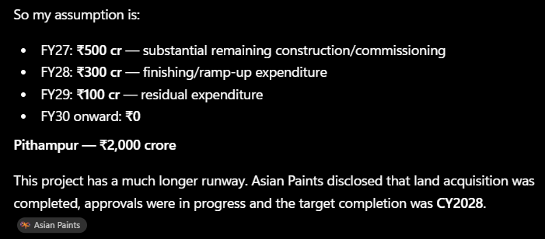 |  |  |  |  |  |  | Value Growth | Decorative value grew 6%, reflecting improved mix while maintaining competitiveness across price segments.
Rich Pigment Technology | Provides brighter, richer colours that remain vibrant for longer. |  |  |  |  |  |  |  |  |  | Brand Building | Aggressive brand investments strengthened consumer mindshare and reinforced market leadership.
Colour Retention Technology | Reduces fading caused by sunlight and ageing. |  |  |  |  |  |  |  |  |  | Innovation | Innovation remained a key growth engine, with new products contributing over 15% of revenue.
Teflon™ Surface Protection | Creates a non-stick surface that makes stains and dirt easier to remove. |  |  |  |  |  |  |  |  |  | Premium Portfolio | Premium and luxury emulsions gained momentum through focused marketing and differentiated product launches.
Water Beading Technology | Water forms droplets and rolls off instead of soaking into the wall, reducing dampness and peeling. |  |  |  |  |  |  |  |  |  | Regionalization | Localized packs and micro-market execution enhanced customer connect and regional penetration.
Crack Bridging Technology | Covers and hides small hairline cracks that develop over time. |  |  |  |  |  |  |  |  |  | Waterproofing | Affordable waterproofing innovations strengthened the value-for-money portfolio and category adoption.
Anti-Fungal Technology | Prevents fungus and mould growth, especially in humid areas. |  |  |  |  |  |  |  |  |  | Wood Finishes | Designer chrome and metallic finishes expanded Asian Paints' premium wood coatings portfolio.
Anti-Bacterial Technology | Inhibits bacterial growth on painted surfaces, improving hygiene. |  |  |  |  |  |  |  |  |  | Painting Services | Beautiful Homes Painting Services expanded to 650+ towns, strengthening its service-led competitive moat.
Low VOC Technology | Releases fewer harmful chemicals, resulting in healthier indoor air quality. |  |  |  |  |  |  |  |  |  | B2B Business | Expanded project sales across government, factories and hospitality diversified growth beyond traditional builders.
Green Assure Certification | Certified low-emission paint that is safer for homes, children and hospitals. |  |  | Revenue Segment of Homer Décor |  |  |  |  |  |  | Home Décor | Home Décor remained weak despite network expansion, with Weatherseal continuing to outperform other categories.
Low Odour Technology | Produces very little smell during and after painting. |  |  | Sub-segment | FY23 | FY24 | FY25 | FY26 | FY23–FY26 CAGR |  | Beautiful Homes Stores | Beautiful Homes network expanded to 73 stores, reinforcing the long-term integrated home décor strategy.
Moisture Resistance | Protects walls from humidity, reducing blistering and peeling. |  |  | Kitchen / Sleek | 425.5 | ~425 | ~393 | 400 | ~-2.0% |  | International Business | International business delivered double-digit growth, led by Asia and the Middle East with improving profitability.
Designer Finish Technology | Creates premium textures such as marble, metallic, silk and other decorative finishes. |  |  | Bath / Ess Ess | 406 | 340 | 356.1 | 347.3 | ~-5.1% |  | Industrial Business | Industrial coatings sustained double-digit growth, supported by automotive, protective and industrial coatings demand.
Twin Power Technology (Tractor) | Provides better coverage and basic washability while keeping the paint affordable. |  |  | White Teak | 108.5 | 133.4 | 107 | 99.2 | ~-3.0% |  | Backward Integration | White Cement commissioning and VAM-VAE progress marked a major step toward cost leadership and differentiated products.
Silicon Boost Technology (Tractor Aqualock) | Improves water resistance and protects exterior walls from rain and moisture. |  |  | Weatherseal | 24.7 | 52.6 | ~52.6 | 74.7 | ~44.4% |  | Margins | Gross margins expanded to 43.7%, supported by raw material deflation and sourcing efficiencies.
Flame Retardant Technology (All Protek) | Slows the spread of fire, enhancing safety in homes and commercial buildings. |  |  |  |  |  |  |  |  |  | Competition | Management focused on innovation, execution and brand investments rather than price-led competition.
 |  |  |  | Decorative Segment last 10 years CAGR | 10% |  |  |  |  |  | Outlook | Management remains cautiously optimistic, expecting gradual demand recovery supported by rural demand, weddings and industrial momentum.
 |  |  |  | industrial Segment
 |  |  |  | PPGAP(Automotive) | 12% (CAGR 1o years) |  |  |  |  |  | Q3
 |  |  |  | AP-PPG(other indurstrial) |  |  |  |  |  |  | Driver | Q3 FY26 One-Liner
 |  |  |  |  |  |  |  |  |  |  | Demand | Demand remained resilient despite a compressed festive season and prolonged monsoon, with rural markets outperforming urban markets.
Key Driver | Assumption / Analysis | Supporting Numbers |  |  |  |  |  |  |  |  | Volume Growth | Decorative volumes grew 7.9%, maintaining a strong growth trajectory for the third consecutive quarter.
Premium Product Mix | Premiumisation is expected to remain the primary revenue driver, with higher contribution from Royale, Apcolite, Nilaya and premium waterproofing products, supporting higher realizations despite moderate industry volume growth. | ~60% of new launches are Premium & Luxury, 17% of FY26 revenue from innovation, Premium housing now 63% of residential sales. |  |  |  |  |  |  |  |  | Value Growth | Decorative value growth improved to 2.8%, supported by a richer premium product mix despite pricing headwinds.
Innovation-led Revenue | Continuous product launches will improve product mix and pricing power, allowing Asian Paints to grow faster than the industry through differentiated offerings. | 300+ product launches, 130+ patents, 17% revenue from innovation. |  |  |  |  |  |  |  |  | Brand Building | High-impact partnerships with BCCI, KBC, Spotify and Bigg Boss strengthened brand visibility across consumer segments.
Pricing / Realization Growth | Revenue growth will increasingly be driven by realizations rather than price competition, supported by premiumisation and selective price hikes following raw material normalization. | 1.2% price hike in FY26, stable-to-improving raw material environment, premium mix increasing every quarter. |  |  |  |  |  |  |  |  | Innovation | Innovation remained a key differentiator, with new products contributing 16% of total revenue.
Volume Growth | Decorative paint demand is expected to normalize gradually with recovery in urban demand, continued rural resilience and expansion of dealer network. | Management guidance of high single-digit value growth, mid-single-digit volume growth, 1.70 lakh+ retail touchpoints. |  |  |  |  |  |  |  |  | Premium Portfolio | Continued premiumization enhanced realizations and supported profitability across decorative paints.
Beautiful Homes Ecosystem | Beautiful Homes Stores, Painting Services and Home Décor will continue to increase customer wallet share beyond paint, supporting incremental revenue growth. | 74 stores across 53 cities, Painting Services in 600+ cities, Home Décor contributes ~4% of revenue. |  |  |  |  |  |  |  |  | Regionalization | Region-specific products and localized campaigns deepened customer engagement and strengthened market penetration.
Affluent Household Growth | Rising affluent households will accelerate demand for premium paints, wallpapers, lighting and interior solutions, improving average selling prices. | Affluent & Elite households expected to grow at ~15–16% CAGR through 2030. |  |  |  |  |  |  |  |  | Waterproofing | Waterproofing continued to gain momentum, reinforcing Asian Paints' leadership in the category.
Premium Housing Growth | Continued premiumisation of India's housing market is expected to increase demand for premium decorative products and luxury home décor solutions. | Premium housing accounts for ~63% of residential sales (2025), up significantly over recent years. |  |  |  |  |  |  |  |  | Wood Finishes | New premium wood coating launches, including PU Gold with anti-termite technology, expanded the innovation-led portfolio.
Distribution Expansion | Continued expansion of retail touchpoints and digital consultation services will improve penetration across Tier II, Tier III and rural markets. | 1.70 lakh+ dealer network, AI colour consultation at 1,000+ locations. |  |  |  |  |  |  |  |  | Painting Services | AI-enabled Beautiful Homes Painting Service further enhanced customer experience and service differentiation.
Home Décor Business | Home Décor is expected to outgrow the core paint business as Asian Paints continues expanding Beautiful Homes, Nilaya and adjacent interior categories. | Home Décor revenue share increased to ~4%, Beautiful Homes stores expanded from 61 to 74 during FY25–FY26. |  |  |  |  |  |  |  |  | B2B Business | Strong growth in factories and government projects continued to drive the B2B business ahead of retail.
Backward Integration | White Cement and VAM–VAE projects are expected to strengthen innovation capability, improve supply-chain control and reduce dependence on imported raw materials, supporting long-term premium product development. | Projects under implementation; management expects stronger innovation capabilities and improved cost competitiveness. |  |  |  |  |  |  |  |  | Home Décor | Home Décor remained a long-term strategic focus, with gradual progress led by Weatherseal and White Teak despite weakness in Bath.
Macro Environment | India's housing demand, rising disposable income and GDP growth are expected to support steady decorative paint demand over the medium term. | GDP growth ~6.5%, Paint industry growth ~6–7% CAGR, Premium housing and affluent population continue to expand. |  |  |  |  |  |  |  |  | Beautiful Homes Stores | The Beautiful Homes network expanded to 74 stores, strengthening the integrated home décor ecosystem.
 |  |  |  |  |  |  |  |  |  |  | International Business | International operations delivered steady growth with improving profitability, led by Sri Lanka, UAE and Ethiopia.
 |  |  |  |  |  |  |  |  |  |  | Industrial Business | Industrial coatings sustained strong double-digit growth, driven by automotive, protective and general industrial coatings.
 |  |  |  |  |  |  |  |  |  |  | Backward Integration | Backward integration remained on track, with White Cement operational and further integration initiatives progressing as planned.
Categories of product under Decorative segment |  |  |  |  |  |  |  |  |  |  | Margins | Gross margins expanded to 44.3% (consolidated), supported by raw material deflation and sourcing efficiencies.
Main category | What it includes | Simple example |  |  |  |  |  |  |  |  | Competition | Management remained focused on execution, innovation and brand investments amid intensifying competitive activity.
1. Interior Wall Finishes | Interior emulsions, premium/luxury/economy paints | Royale, Apcolite, Tractor |  | 60% revenue commanded |  |  |  |  |  |  | Outlook | Management expects growth momentum to continue, supported by industrial, B2B and international businesses while remaining watchful of demand and competitive intensity.
2. Exterior Wall Finishes | Exterior emulsions/weather-resistant paints | Apex, Ultima, Ace
3. Waterproofing | Products preventing seepage, dampness and leakage | SmartCare by for diff segments |  |  |  |  |  |  |  |  | Q4
4. Wood Finishes | Paints/coatings/polishes for wooden surfaces | WoodTech for diff segment |  |  |  |  |  |  |  |  | Driver | Q4 FY26 One-Liner
5. Enamels | Coatings for wood and metal surfaces | Doors, windows, grills |  |  |  |  |  |  |  |  | Demand | Demand strengthened across all three months, with broad-based growth in both rural and urban markets.
6. Adhesives | Products used for bonding/installation | Wood/home adhesives |  | trugrip,Loctite |  |  |  |  |  |  | Volume Growth | Decorative volumes surged 12.4%, marking the strongest quarterly growth of FY26.
7. Wall Textures | Decorative textured finishes for walls | Royale Play, textures |  |  |  |  |  |  |  |  | Value Growth | Decorative value growth accelerated to 10.2%, supported by premiumization and an improved product mix.
8. Undercoats | Primers and preparatory coatings before the final paint | Wall primers |  |  |  |  |  |  |  |  | Brand Building | Strategic investments in cricket partnerships, digital campaigns and category leadership strengthened brand equity.
9. Tools & Ancillaries | Painting tools and accessories | Brushes, rollers, etc. |  |  |  |  |  |  |  |  | Innovation | Innovation remained a key growth driver, with new products contributing 17% of total revenue.
 |  |  |  |  |  |  |  |  |  |  | Premium Portfolio | Premium and PreLux categories continued to outperform, improving realizations and narrowing the volume-value gap.
Niliya | Premium/luxury wall covering and décor brand |  |  |  |  |  |  |  |  |  | Regionalization | Region-specific products and localized consumer engagement continued to deepen market penetration.
Niliya Anthology | 🛋️ Luxury/bespoke furniture |  |  |  |  |  |  |  |  |  | Waterproofing | Waterproofing leadership strengthened through the successful expansion of the Damp Proof franchise.
 | 🛁 Luxury bathware |  |  |  |  |  |  |  |  |  | Wood Finishes | Premium wood finishes expanded with innovation-led products such as PU Gold, reinforcing the premium portfolio.
 | 💡 Lighting |  |  |  |  |  |  |  |  |  | Painting Services | AI-enabled Beautiful Homes Painting Services continued to enhance customer experience and service differentiation.
 | 🧶 Textiles and furnishings |  |  |  |  |  |  |  |  |  | B2B Business | B2B remained a key growth engine, driven by strong demand from infrastructure, factories, hospitality and government projects.
 | 🏺 Collectible crafts |  |  |  |  |  |  |  |  |  | Home Décor | Home Décor showed gradual improvement, led by Kitchen, Weatherseal and White Teak while remaining a long-term strategic focus.
 | 🖼️ Art and antiques |  |  |  |  |  |  |  |  |  | Beautiful Homes Stores | The Beautiful Homes network expanded to 74 stores, strengthening Asian Paints' integrated home décor ecosystem.
 | 🍽️ Tableware |  |  |  |  |  |  |  |  |  | International Business | International business delivered strong double-digit growth with improving profitability across Asia, the Middle East and Africa.
 | 🪵 Other premium home décor |  |  |  |  |  |  |  |  |  | Industrial Business | Industrial coatings sustained robust double-digit growth, supported by automotive, general industrial and protective coatings demand.
Nilaya Arc | Premium/super luxury interiro paint |  |  |  |  |  |  |  |  |  | Backward Integration | VAM-VAE moved closer to commissioning, positioning Asian Paints for long-term cost leadership and product innovation.
 |  |  |  |  |  |  |  |  |  |  | Margins | Gross margins expanded to a record 45.6%, driven by raw material deflation, premiumization and operational efficiencies.
 |  |  |  |  |  |  |  |  |  |  | Competition | Management expects competitive intensity to remain elevated while focusing on innovation, premiumization and execution to drive market share gains.
Initiative | Major Competitors Without Comparable Offering |  |  |  |  |  |  |  |  |  | Outlook | Management remains optimistic about sustaining high single-digit volume growth while balancing inflation through calibrated pricing and cost efficiencies.
Beautiful Homes Painting Services (600+ cities) | Birla Opus, Berger Paints, Kansai Nerolac, Indigo Paints, Akzo Nobel India
Beautiful Homes Stores (74 stores, 53 cities) | Birla Opus, Berger Paints, Kansai Nerolac, Indigo Paints, Akzo Nobel India |  |  |  |  |  |  |  |  |  | FY2026
Nilaya Anthology (Luxury Design Destination) | Birla Opus, Berger Paints, Kansai Nerolac, Indigo Paints, Akzo Nobel India |  |  |  |  |  |  |  |  |  | Driver | FY2026 One-Liner
Chromacosm (5,300+ shade colour system) | Birla Opus, Indigo Paints |  |  |  |  |  |  |  |  |  | Demand | FY26 marked a gradual demand recovery, supported by improving rural demand and a steady pickup in urban markets.
AI Colour Visualizer & Digital Colour Consultancy (1,000+ consultation locations) | Berger Paints, Birla Opus, Indigo Paints, Kansai Nerolac |  |  |  |  |  |  |  |  |  | Volume Growth | Decorative volumes grew ~9%, significantly outpacing industry growth and reflecting market share gains.
Innovation Platform (300+ launches, 130+ patents, 14% revenue from innovation) | Indigo Paints, Birla Opus |  |  |  |  |  |  |  |  |  | Value Growth | Decorative value grew 4.3%, as improving premiumization partially offset pricing pressures during the year.
Backward Integration (White Cement + VAM-VAE projects) | Berger Paints, Indigo Paints, Akzo Nobel India |  |  |  |  |  |  |  |  |  | Brand Building | Sustained investments in brand campaigns, cricket partnerships and digital engagement reinforced Asian Paints' market leadership.
 |  |  |  |  |  |  |  |  |  |  | Innovation | Innovation remained a key growth pillar, with new products contributing 17% of revenue by year-end.
 |  |  |  |  |  |  |  |  |  |  | Premium Portfolio | Premiumization accelerated across decorative paints, waterproofing and wood finishes, improving product mix and realizations.
 |  |  |  |  |  |  |  |  |  |  | Regionalization | Region-specific products and localized marketing strengthened customer engagement across diverse Indian markets.
 |  |  |  |  |  |  |  |  |  |  | Waterproofing | Waterproofing strengthened its leadership position, driven by the expanding Damp Proof franchise and innovation-led offerings.
 |  |  |  |  |  |  |  |  |  |  | Wood Finishes | Premium wood finishes expanded through technology-led innovations, reinforcing Asian Paints' premium positioning.
 |  |  |  |  |  |  |  |  |  |  | Painting Services | Beautiful Homes Painting Service expanded its reach and strengthened Asian Paints' service-led competitive advantage.
 |  |  |  |  |  |  |  |  |  |  | B2B Business | B2B emerged as a major growth engine, supported by strong demand from infrastructure, factories, hospitality and government projects.
 |  |  |  |  |  |  |  |  |  |  | Home Décor | Home Décor continued to evolve into an integrated ecosystem, supported by 74 Beautiful Homes Stores despite mixed category performance.
 |  |  |  |  |  |  |  |  |  |  | Beautiful Homes Stores | The Beautiful Homes network expanded to 74 stores, reinforcing Asian Paints' integrated home décor strategy.
 |  |  |  |  |  |  |  |  |  |  | International Business | International operations delivered 9% annual growth, led by Asia, the Middle East and Africa, with improved profitability.
 |  |  |  |  |  |  |  |  |  |  | Industrial Business | Industrial coatings sustained strong double-digit growth, supported by automotive, protective and general industrial coatings demand.
 |  |  |  |  |  |  |  |  |  |  | Backward Integration | FY26 marked a strategic milestone with White Cement operational and VAM-VAE nearing commissioning, strengthening long-term cost competitiveness and innovation.
 |  |  |  |  |  |  |  |  |  |  | Margins | Strong cost management and raw material deflation drove record profitability, with gross margins reaching 45.6% in Q4 and higher margins for the full year.
 |  |  |  |  |  |  |  |  |  |  | Competition | Despite intensified competition and persistent discounting, Asian Paints strengthened its leadership through innovation, premiumization, services and execution.
 |  |  |  |  |  |  |  |  |  |  | Outlook | Management expects to sustain high single-digit volume growth in FY27 through calibrated pricing, cost efficiencies, industrial momentum and backward integration benefits.

Football Field Analysis
Football Field Analysis - ASIAN PAINTS LTD
Football Field Analysis - Valuation summary (Rs)
 | Football Field Analysis
 |  | OpenLow | Low | OpenHigh | High
 | Comps | 1,513.00 | 1,513.00 | 1,844.69 | 1,844.69
 | DCF Bear | 226.65 | 308.93 | 284.93 | 390.65
 | DCF Base | 478.67 | 478.67 | 1,029.08 | 1,029.08
 | DCF Bull | 694.74 | 694.74 | 4,141.48 | 4,141.48
 | 52W H/L | 2,115.00 | 2,115.00 | 2,985.70 | 2,985.70

